1. Title Page
[Project Name]

Project Name: Instacart Grocery Basket Analysis
Date: 12/05/2023
Analyst Name: Ana Dzolan

Contents:
Population Flow
Consistency checks
Wrangling steps
Column derivations
Visualizations
Recommendations

Data sources:
Instacart Data, open-source data sets are available (http://www.instacart.com/datasets/grocery-shopping-2017)
CareerFoundry Data Sets - Customers Data Set
"Customer data and "prices" column in the products data set, were both fabricated for the purpose of this course". - CareerFoundry, Exercise 4.10, Coding Etiquette & Excel Reporting, on May 2023.

2. Population Flow
Title page

Population flow

Exclusion flag
Condition: max_order < 5
Obervations to be removed: 1 440 295
Final total count of order_products_all: 32 404 859

Orders_products_combined
Orders_products_merged
Orders_products_all

Total:32 404 859
Total: 32 434 489
Total:32 404 859

1.) The grey boxes in the first row of the population flow represent the original data sets as they were when you downloaded them. In the Total fields you need to add the count of the rows when you imported the data set into Jupyter.
2.) The second row of boxes (coloured) represents the data sets after you manipulated them, e.g., removed missing values and duplicates. In the Total fields you need to add the count of the rows after conducting these operations. This offers a visual oveview of how the data flows throughout the data consistency checks.
3.) The third row, where also the arrows are coloured, represents the merges you performed between the datasets. In the Total fields you need to add the count of the rows in the merged datasets, so that you end up with the final dataset (in the red box). Keep in mind the final dataset should be without exclusions (based on the exclusion flag).

3. Consistency checks
 |  |  |  | Title page
Consistency checks

Dataset | Missing values | Missing values treatment | Duplicates
products.csv | product_name=16 | dropped-new dataframe created | 5 rows - deleted
orders.csv | days_since_prior_orders=206209 | left as they are | no duplicates found
customers.csv | no missing values found |  | no duplicates found

4. Wrangling steps
 |  |  |  | Title page
Wrangling steps

Columns dropped | Columns renamed | Columns' type changed | Comment/Reason
'eval_set ' -'orders.csv' |  |  | It is not required for this analysis.
 | order_dow into 'orders_day_of_week' |  | To make it clearer what the variable represents.
 |  | order_id from int 64 into str | No descriptive statistics are required from this variable as it represents a key.
 |  | user_id from int 64 into str | No descriptive statistics are required from this variable as it represents a key.
 | Gender - 'gender' - 'customers.csv' |  | To achieve a uniform style of marking variables.
 | STATE - 'state' - 'customers.csv' |  | To achieve a uniform style of marking variables.
 | Age - 'age' - 'customers.csv' |  | To achieve a uniform style of marking variables.
 | n_dependants - 'number_of_dependants' - 'customers.csv' |  | To make it clearer what the variable represents.
 | fam_status - 'family_status' - 'customers.csv' |  | To achieve a uniform style of marking variables.
Unnamed:0' - 'orders_checked.csv' |  |  | A duplicate index column that is not needed, and is created by merging data frames.
Unnamed:0.1' - 'orders_checked.csv' |  |  | A duplicate index column that is not needed, and is created by merging data frames.
Unnamed:0' - 'products_checked.csv' |  |  | A duplicate index column that is not needed, and is created by merging data frames.
_merge' - 'orders_products_combined.pkl' |  |  | In order for a data frame to be merged with another data frame.
First Name' - 'customers.csv' |  |  | In order that the data set does not contain PII.
Surnam' - 'customers.csv' |  |  | In order that the data set does not contain PII.
_merge' - 'orders_products_merged_new_columns_added2' |  |  | In order for a data frame to be merged with another data frame.

5. Column derivations
 |  |  |  | Title page

Column derivations and aggregations

In this tab you should add tables below that the frequences of flags/label variables that you produced after deriving them. NB: don't do this for continuous variables, only for flags.
Dataset | New column | Column/s it was derived from | Conditions
df_orders_products_merged | price_range | prices | If the prices are less than or equal to 5 - 'Low-range product'; If the prices are greater than 5 and if the prices are less than or equal to 15 - 'Mid-range product'; If prices are greater than 15 - 'High range'; else: - 'Not enough data'
df_orders_products_merged | price_range_loc | prices | If the prices are less than or equal to 5 - 'Low-range product'; If the prices are greater than 5 and if the prices are less than or equal to 15 - 'Mid-range product'; If prices are greater than 15 - 'High-range product'; else: - 'Not enough data'
df_orders_products_merged | busiest_day | orders_day_of_week | If a day of the week has a value of zero, it is marked as - 'Busiest day', if a day of the week has a value of four, it is marked as - 'Least busy', all other days/values are marked as - 'Regularly busy'
df_orders_products_merged | Busiest_days | orders_day_of_week | If a day of the week has a value of zero or one, it is marked as - 'Busiest days', if a day of the week has a value of four or three, it is marked as - 'Slowest days', all other days/values are marked as - 'Regulary busy days'
df_orders_products_merged | busiest_period_of_day | order_hour_of_day | If the order was placed between 9 a.m. and 4 p.m., the period is marked as 'Most orders'; If the order was placed between 11 p.m. and 6 a.m. the period is marked as 'Fewst orders'; If the order was placed between 7 a.m. and 8 a.m. and from 5 p.m. to 10 p.m., the period is marked as - 'Average orders'
df_orders_products_merged_new_columns_added | max_order | order_number | maximum of order number
df_orders_products_merged_new_columns_added | loyalty_flag | max_order | If 'max_order' is greater than 40, then 'loyalty_flag' = 'Loyal customer'; if 'max_order' is less than or equal to 40 and if 'max_order' is greater than 10, then 'loyalty_flag'= 'Regular customer'; if 'max_order' is less than or equal to 10 then 'loyalty_flag' = 'New Customer'
df_orders_products_merged_new_columns_added | average_price | prices | mean of prices
df_orders_products_merged_new_columns_added | spending_flag | average_price | If 'average_price' is less than 10, then 'spending_flag' = 'Low spender'; if 'average_price' is greater than or equal to 10, then 'spending_flag' = 'High spender'.
df_orders_products_merged_new_columns_added | median_days_since_prior_order | 'days_since_prior_order' | median of days since prior order
df_orders_products_merged_new_columns_added | order_frequency_flag | median_days_since_prior_order | If 'median__days_since_prior_order' is greater than 20, then 'order_frequency_flag' = 'Non-frequent customer'; if 'median__days_since_prior_order' is less than or equal to 20 and if 'median__days_since_prior_order' is greater than 10, then 'order_frequency_flag' = 'Regular customer'; if 'median__days_since_prior_order' is less than or equal to 10, then 'order_frequency_flag' = 'Frequent customer'.
dataframes_merged | region | state | 1. If the states ('Maine', 'New Hampshire', 'Vermont', 'Massachusetts', 'Rhode Island', 'New York', 'Pennsylvania', 'New Jersey', 'Connecticut') = 'Northeast' 2. If states ('Wisconsin', 'Michigan', 'Illinois', 'Indiana', 'Ohio', 'North Dakota', 'South Dakota', 'Nebraska', 'Kansas', 'Minnesota', 'Iowa', 'Missouri')= 'Midwest' 3. If states ('Delaware', 'Maryland', 'District of Columbia', 'Virginia', 'West Virginia', 'North Carolina', 'South Carolina', 'Georgia', 'Florida', 'Kentucky', ' Tennessee', 'Mississippi', 'Alabama', 'Oklahoma', 'Texas', 'Arkansas', 'Louisiana'), = 'South' 4.If states ('Idaho', 'Montana', 'Wyoming', 'Nevada', 'Utah', 'Colorado', 'Arizona', 'New Mexico', 'Alaska', 'Washington' 'Oregon', 'California', 'Hawaii')= 'West'
dataframes_merged | exclusion_flag | max_order | If 'max_order' is less than 5, then 'exclusion_flag' = 'low_activity'; if 'max_order' is greater than or equal to 5, 'exclusion_flag' = 'medium_high_activity'
medium_high_activity_users | profile | age, income, number of dependents, department_id | If 'number_of_dependents' is equal to 0 and if 'age' is less than or equal to 21 and if 'income' is greater than 92000, then 'profile' ='single_young_adult_high_income' -If 'number_of_dependents' is greater than 0 and if 'age' is less or equal to 21 and if 'income' is greater than 71000, then 'profile' ='young_adult_high_income_living_with_family' - If 'number_of_dependents' is greater than 0 and if 'age' is greater than 21 and if 'age' is less than or equal to 65 and if 'income' greater than 71000 then 'profile' = 'middle_age_adult_high_income_living_with_family' If 'number_of_dependents' is equal to 0 and if 'age' is less than or equal to 21 and if 'income' is less than or equal to 92000, then 'profile' = 'single_young_adult_low_to_middle_income' - If 'number_of_dependents' is greater than 0 and if ' age' less than or equal to 21 and if 'income' is less than or equal to 71000, 'profile' = 'young_adult_low_to_middle_income_living_with_family' - If 'number_of_dependents' is greater than 0 and if 'age' is greater than 21 and if 'age' is less or equal to 65 and if 'income' is less than or equal to 71000, 'profile' = 'middle_age_adult_low_to_middle_income_living_with_ family' If 'age' is greater than 21 and if 'number_of_dependents' is equal to 0 and if 'income' is greater than 116000, then 'profile' = 'divorced_or_widowed_middle_age_adult_high_income'

6. Visualizations
 |  |  |  |  |  |  |  |  |  |  |  |  |  | Title page

Visualisations

In this tab you should include all the visualtions from Exercises 4.9 and 4.10, alongside the questions from the project brief that they answer. Include any commentary on the relationship between different variables.

1. The sales team needs to know what the busiest days of the week and hours of the day are (i.e., the days and times with the most orders) in order to schedule ads at times when there are fewer orders.

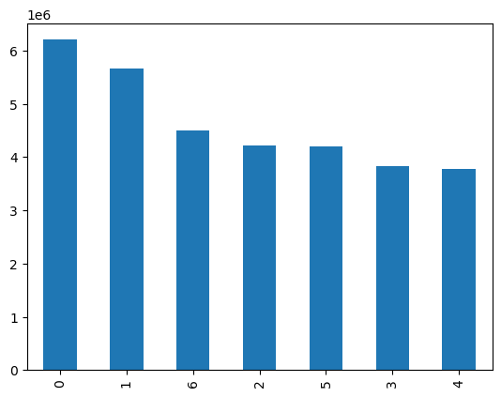
Frequency of busiest days of the week
orders_day_of_week
orders_day_of_week
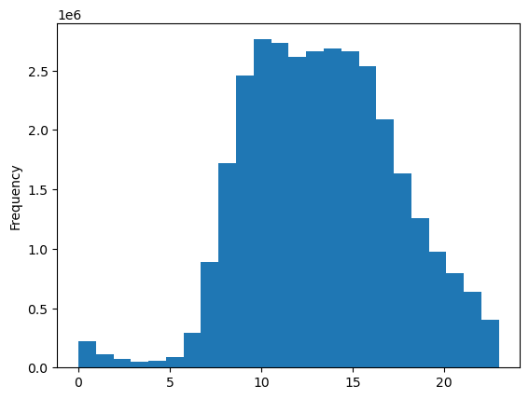
order hour of day
Frequency of order hour of day

- The days of the week are numbered from 0 to 6. Each day corresponds to a number as specified in the Project Brief (0 = Saturday, 1= Sunday, 2=Monday, 3=Tuesday, 4=Wednesday, 5= Thursday, 6 = Friday). Thus, it can be seen that the most orders are received on Saturday and Sunday, and the least on Tuesday and Wednesday and the most orders were in the hours between 10-16, as shown on the previous two charts, on the bar chart the busiest days and on the histogram are shown hours with the frequency of orders.

2. They also want to know whether there are particular times of the day when people spend the most money, as this might inform the type of products they advertise at these times.

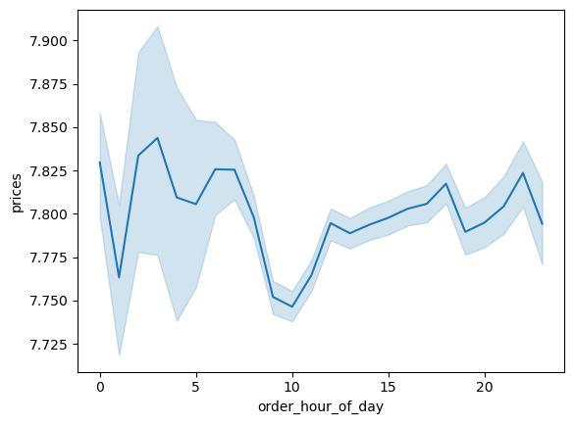
Relationship between order hour of day and prices
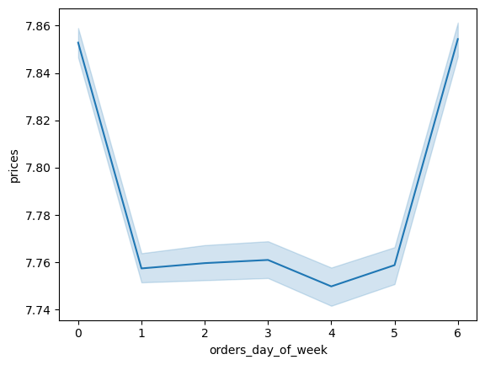
Relationship between orders day of week and prices

The highest number of orders occurred between 10 and 16 as shown in the question 1. Now we have a line chart that shows the relationship between order hour of day and prices. It can be read from the chart that the least amount of money is spent in the morning at 10 o'clock, and the most in the early hours of the morning when, according to the chart from question 1, the fewest orders occur. Does this mean that during those hours, orders are less frequent, and the products ordered are more expensive? The second line chart shows the relationship between orders day of week and prices. It can be seen from the chart that customers spend the most money on Saturday and on Friday.

3. Instacart has a lot of products with different price tags. Marketing and sales want to use simpler price range groupings to help direct their efforts.

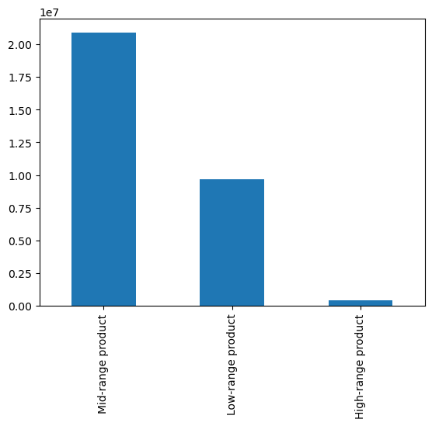
Frequency of price range
price_range_loc

Frequency of prices
prices
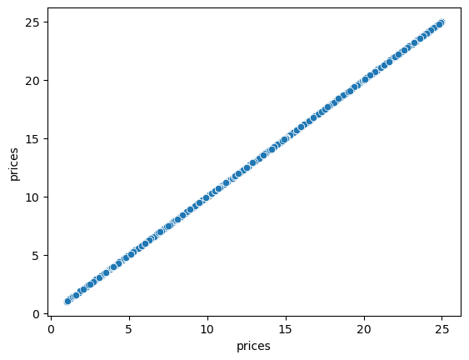
Price level

The first chart, above left, - scatterplot shows prices up to $25.
The histogram, above in the middle, shows the frequency of prices. From the histogram it can be seen that the majority of prices are in the range up to 15 dollars.
'Price_range_loc' variable consists of: 'Low-range product ('prices' < = 5), 'Mid-range product' ('prices' > 5 and 'prices' < = 15), and
'High-range product' ('prices' > 15). The bar chart on the right side shows how the most of product's prices fall into the 'Mid-range product' - price category.

4. Are there certain types of products that are more popular than others? The marketing and sales teams want to know which departments have the highest frequency of product orders.

- On the right side is bar chart showing frequency of departments. It can be seen that the highest frequency of product orders comes from department_id = 4.
The data dictionary gives explanations for department_id:
department_id = 1= 'frozen'
department_id = 2 = 'other'
department_id = 3 = 'bakery'
department_id = 4= 'produce'
department_id = 5 = 'alcohol'
department_id = 6 =' international'
department_id = 7 = 'beverages'
department_id =8 = 'pets'
department_id =9 = 'dry goods pasta'
department_id =10 = 'bulk'
department_id = 11 = 'personal care'
department_id = 12 = 'meat seafood'
department_id =13 = 'pantry'
department_id = 14 = 'breakfast'
department_id = 15 = 'canned goods'
department_id = 16 = 'dairy eggs'
department_id =17 = 'household'
department_id =18 = 'babies'
department_id =19 = 'snacks'
department_id = 20 = 'deli'
department_id = 21 = 'missing'
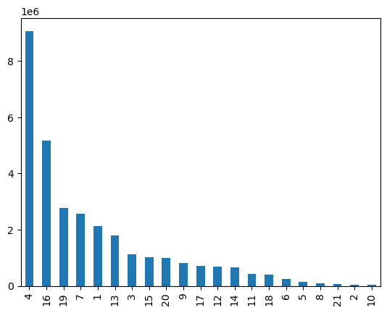
Frequency of departments
department_id

The bar chart shows the frequency of the of departments.
The highest frequency of product orders comes from department_id = 4 - 'produce', department_id = 16 - 'dairy eggs', department_id = 19 - 'snacks'.
The lowest frequency of product orders comes from department_id = 10 - 'bulk' and department_id = 2 - 'other'.

5_1. What’s the distribution among users in regards to their brand loyalty (i.e., how often do they return to Instacart)?


Frequency of loyalty flag

The bar chart on the left shows the frequency of the loyalty flag.
Customers are divided into three categories according to the number of orders they make, if the number of orders is greater than forty, the customer is considered as 'Loyal customer'; and if the number of orders is greater than ten and less than or equal to forty, the customer is considered as "Regular customer" , and if the number of orders is less than or equal to ten, the customer is considered as "New customer".

5_2. Are there differences in ordering habits based on a customer’s loyalty status?

 |  |  |  |  |  |  |  |  |  |  |  |  | department_id | Loyal customer | New customer | Regular customer
 |  |  |  |  |  |  |  |  |  |  |  |  | produce | 3147376 | 1336604 | 4595293
 |  |  |  |  |  |  |  |  |  |  |  |  | dairy eggs | 1830707 | 750056 | 2596419
- On the right side is a table showing ordering habits based on a customer's loyalty status. It can be seen that the most ordered products are from department_id 4 - the 'produce' department, then from department_id 16 - the 'dairy eggs' department and from department_id 19 - the 'snacks' department, and the least order is from department_id 10 - the 'bulk' department.
 |  |  |  |  |  |  |  |  |  |  |  |  | snacks | 943150 | 413107 | 1410149
 |  |  |  |  |  |  |  |  |  |  |  |  | beverages | 855017 | 396649 | 1320235
 |  |  |  |  |  |  |  |  |  |  |  |  | frozen | 609460 | 372271 | 1140000
 |  |  |  |  |  |  |  |  |  |  |  |  | pantry | 560402 | 299576 | 922727
 |  |  |  |  |  |  |  |  |  |  |  |  | bakery | 379873 | 172104 | 568851
 |  |  |  |  |  |  |  |  |  |  |  |  | canned goods | 294594 | 180196 | 537284
 |  |  |  |  |  |  |  |  |  |  |  |  | deli | 324046 | 158335 | 521453
 |  |  |  |  |  |  |  |  |  |  |  |  | dry goods pasta | 242580 | 144836 | 434720
 |  |  |  |  |  |  |  |  |  |  |  |  | household | 196873 | 128117 | 374867
 |  |  |  |  |  |  |  |  |  |  |  |  | meat seafood | 202480 | 112464 | 359837
 |  |  |  |  |  |  |  |  |  |  |  |  | breakfast | 221577 | 106179 | 343094
 |  |  |  |  |  |  |  |  |  |  |  |  | personal care | 123365 | 75442 | 225499
 |  |  |  |  |  |  |  |  |  |  |  |  | babies | 167108 | 46708 | 196576
 |  |  |  |  |  |  |  |  |  |  |  |  | international | 78394 | 43841 | 133756
 |  |  |  |  |  |  |  |  |  |  |  |  | alcohol | 38723 | 28629 | 77275
 |  |  |  |  |  |  |  |  |  |  |  |  | pets | 25469 | 15880 | 51711
 |  |  |  |  |  |  |  |  |  |  |  |  | missing | 18350 | 12713 | 33705
 |  |  |  |  |  |  |  |  |  |  |  |  | other | 10715 | 5839 | 17857
 |  |  |  |  |  |  |  |  |  |  |  |  | bulk | 13834 | 4149 | 15468

5_3. Are there differences in ordering habits based on a customer’s region?

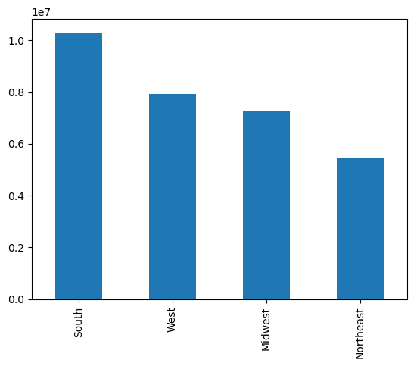
Frequency of customer's regions
regions
 |  |  |  |  |  |  |  | department_id | Midwest | Northeast | South | West
 |  |  |  |  |  |  |  | produce | 2134115 | 1593004 | 3027476 | 2324678
 |  |  |  |  |  |  |  | dairy eggs | 1212490 | 914616 | 1723016 | 1327060
 |  |  |  |  |  |  |  | snacks | 645143 | 493154 | 916780 | 711329
 |  |  |  |  |  |  |  | beverages | 598979 | 462929 | 859419 | 650574
- The bar chart on the left shows the frequency of regions. Thus, it can be seen that 'South' is the most represented region. It is evident from the table (on the left side is a table showing ordering habits based on a customer's region status) that customers from all four regions most often order from department_id 4, i.e., from the 'produce' department, as in the previous situation where differences in ordering habits were observed based on the customer's loyalty status, the only difference is in the last two lines of the table where department_id 2 - 'other' and department_id 10 - 'bulk' swapped places.
 |  |  |  |  |  |  |  | frozen | 498225 | 370436 | 709906 | 543164
 |  |  |  |  |  |  |  | pantry | 420334 | 312731 | 591754 | 457886
 |  |  |  |  |  |  |  | bakery | 261753 | 199300 | 371620 | 288155
 |  |  |  |  |  |  |  | canned goods | 237459 | 176936 | 337458 | 260221
 |  |  |  |  |  |  |  | deli | 234464 | 178398 | 333620 | 257352
 |  |  |  |  |  |  |  | dry goods pasta | 193463 | 143817 | 272813 | 212043
 |  |  |  |  |  |  |  | household | 166992 | 124604 | 230061 | 178200
 |  |  |  |  |  |  |  | meat seafood | 158260 | 118571 | 224120 | 173830
 |  |  |  |  |  |  |  | breakfast | 156155 | 117904 | 223172 | 173619
 |  |  |  |  |  |  |  | personal care | 100398 | 74765 | 142496 | 106647
 |  |  |  |  |  |  |  | babies | 95741 | 72712 | 139511 | 102428
 |  |  |  |  |  |  |  | international | 60666 | 44678 | 84649 | 65998
 |  |  |  |  |  |  |  | alcohol | 34043 | 25017 | 48813 | 36754
 |  |  |  |  |  |  |  | pets | 21358 | 17734 | 29909 | 24059
 |  |  |  |  |  |  |  | missing | 15563 | 11512 | 21787 | 15906
 |  |  |  |  |  |  |  | bulk | 7929 | 5599 | 11180 | 8743
 |  |  |  |  |  |  |  | other | 7983 | 6268 | 11579 | 8581

5_5. What different classifications does the demographic information suggest? Age? Income? Certain types of goods? Family status?

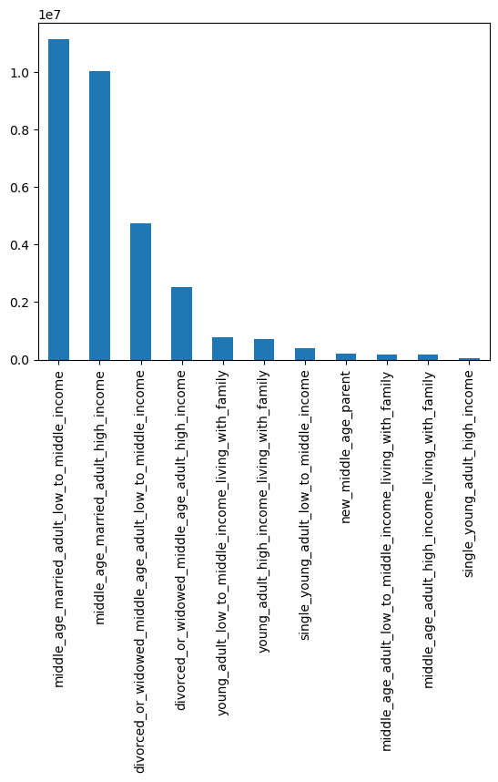
Frequency of customer profiles
Customer profile

Based on the criteria of age, income, number of dependents, and (departmet_id for 'new_middle_age_parent') customer profiles were created. The bar chart on the left shows the frequency of customer profiles, so it can be seen that the most represented customer's profiles are 'middle_age_married_adult_low_to_middle_income' and 'middle_age_married_adult_high_income.
Customer profiles:
middle_age_married_adult_low_to_middle_income, middle_age_married_adult_high_income,
divorced_or_widowed_middle_age_adult_low_to_middle_income, divorced_or_widowed_middle_age_adult_high_income, young_adult_low_to_middle_income_living_with_family, young_adult_high_income_living_with_family, single_young_adult_low_to_middle_income,
new_middle_age_parent, middle_age_adult_low_to_middle_income_living_with_family, middle_age_adult_high_income_living_with_family, single_young_adult_high_income.

5_4. Is there a connection between age and family status in terms of ordering habits?
& Q 5_6. What differences can you find in ordering habits of different customer profiles? Consider the price of orders, the frequency of orders, the products customers are ordering, and anything else you can think of.

department_id | divorced_or_widowed_middle_age_adult_high_income | divorced_or_widowed_middle_age_adult_low_to_middle_income | middle_age_adult_high_income_living_with_family | middle_age_adult_low_to_middle_income_living_with_family | middle_age_married_adult_high_income | middle_age_married_adult_low_to_middle_income | new_middle_age_parent | single_young_adult_high_income | single_young_adult_low_to_middle_income | young_adult_high_income_living_with_family | young_adult_low_to_middle_income_living_with_family
produce' | 754145 | 1385386 | 51713 | 54027 | 3011332 | 3256221 | 0 | 17843 | 118067 | 211802 | 218737
dairy eggs' | 428109 | 789645 | 29052 | 31384 | 1714743 | 1857420 | 0 | 10790 | 65832 | 122527 | 127680
snacks' | 197877 | 451070 | 12966 | 19574 | 785235 | 1126883 | 0 | 4710 | 36781 | 53821 | 77489
beverages' | 202008 | 404093 | 12397 | 16893 | 801615 | 976548 | 0 | 5153 | 34087 | 53520 | 65587
frozen' | 177924 | 320349 | 11352 | 13535 | 703354 | 761149 | 0 | 3995 | 27080 | 49334 | 53659
pantry' | 150917 | 266525 | 9457 | 11212 | 598123 | 634164 | 0 | 3646 | 22816 | 41908 | 43937
bakery' | 94844 | 170044 | 6006 | 7001 | 374433 | 398309 | 0 | 2356 | 14151 | 26881 | 26803
deli' | 82457 | 155924 | 5171 | 6257 | 327467 | 363438 | 0 | 2028 | 12973 | 22804 | 25315
canned goods' | 85070 | 151044 | 5453 | 6292 | 347111 | 353721 | 0 | 2038 | 12868 | 23769 | 24708
dry goods pasta' | 69350 | 122498 | 4720 | 4844 | 279886 | 288848 | 0 | 1659 | 10789 | 19773 | 19769
breakfast' | 53323 | 103078 | 4193 | 4413 | 210878 | 251736 | 0 | 1374 | 8657 | 15399 | 17799
household' | 57870 | 102906 | 4012 | 4501 | 229231 | 257406 | 0 | 1455 | 9127 | 15815 | 17534
meat seafood' | 58262 | 97707 | 3992 | 4267 | 241059 | 227241 | 0 | 1476 | 8433 | 16787 | 15557
personal care' | 34626 | 64822 | 2260 | 2618 | 137792 | 155230 | 0 | 884 | 5873 | 9320 | 10881
babies' | 34509 | 62910 | 0 | 0 | 53014 | 22925 | 211744 | 719 | 5190 | 9935 | 9446
international' | 21733 | 38561 | 1391 | 1677 | 85120 | 90948 | 0 | 572 | 3595 | 6129 | 6265
alcohol' | 13366 | 21531 | 1094 | 629 | 47142 | 50556 | 0 | 540 | 1390 | 3851 | 4528
pets' | 8853 | 13190 | 589 | 554 | 30793 | 32184 | 0 | 110 | 1449 | 2602 | 2736
missing' | 5118 | 9764 | 401 | 420 | 21364 | 23331 | 0 | 177 | 876 | 1479 | 1838
other' | 2847 | 5310 | 170 | 173 | 11163 | 12376 | 0 | 61 | 496 | 838 | 977
bulk' | 2492 | 4952 | 183 | 167 | 10105 | 13363 | 0 | 57 | 499 | 724 | 909

- Table showing ordering habits based on a customer's profile. - Profiles are created based on age, income, number of dependents, and (department_id for 'new_middle_age_parent') .
On the right side is a table, which shows that customers most often order from department_id = 4 - 'produce', only 'new_middle_age_parent' orders the most from department_id = 18 - 'babies'.
- The highest price of the product for all customer profiles was $25, except for the customer profile, 'new_middle_age_parent' where the highest price was $15 and for all customer profiles the lowest price was $1. The mean price for customer profiles is ranged from $7.63 to $7,963.
- The mean – 'number of days since previous order' is ranged from 9,659 for the user profile 'new_middle_age_parent' to 11,073 for the user profile 'single_young_adult_low_to_middle_income'. The mean 'number of days since the previous order' for all other customer profiles is between the two stated values.
The connection between age and family status in terms of ordering habits - customers generally order department_id = 4 - 'produce' department - viewed from the perspective of customers and customer profiles. The customer profile 'new_middle_age_parent' is only different because these customers order the most from department_id = 18 - 'babies', and the orders of this customer profile are on average more frequent than those of other customer profiles.

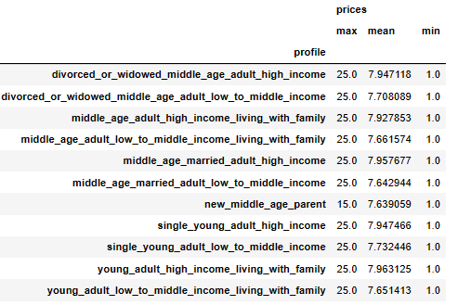
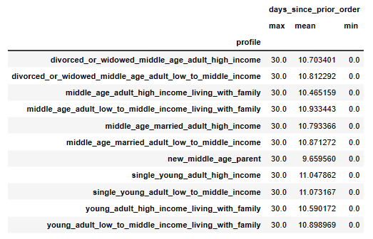

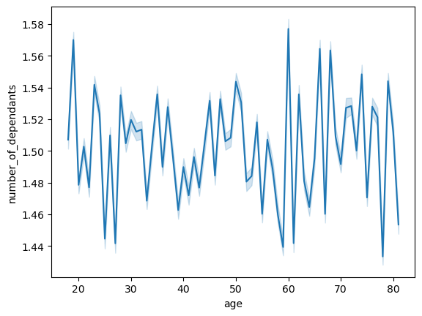
Relationship between number of dependents and age

Relationship between income and age

Two charts are shown, a line chart and a scatterplot. The line chart shows the relationship between number of dependents and age - for the dataframe before the exclusion flag. Scatterplot shows the relationship between income and age - for the dataframe before the exclusion flag.

7. Recommendations
 |  | Title page

Recommendations

In this tab you should include any recommendations you would made to Instcart in terms of their marketing strategy based on the questions posed in the brief. Every key question has been covered in the Tasks of the Exercises - here you need to add an item - a visualisation or table/crosstable that is showing the answer in the data, acompanied by a comment from you. Please, list the questions below and add the answer underneath.

Question | Answer

1. The sales team needs to know what the busiest days of the week and hours of the day are (i.e., the days and times with the most orders) in order to schedule ads at times when there are fewer orders.
The busiest days of week are Saturday and Sunday, and and the most orders during the week were in the hours between 10-16, as shown (Sheet-Visualizations-Question-1), on the bar chart the busiest days and on the histogram are shown hours with the frequency of orders.
2. They also want to know whether there are particular times of the day when people spend the most money, as this might inform the type of products they advertise at these times.
The highest number of orders occurred between 10 and 16 as shown in the question 1. The least amount of money is spent in the morning at 10 o'clock, and the most in the early hours of the morning when, according to the chart from question 1, the fewest orders occur. Does this mean that during those hours, orders are less frequent, and the products ordered are more expensive? - The recommendation is to research this situation in more detail. The second line chart shows the relationship between orders day of week and prices. It can be seen from the chart that customers spend the most money on Saturday and on Friday (Sheet-Visualizations-Question-2).
3. Instacart has a lot of products with different price tags. Marketing and sales want to use simpler price range groupings to help direct their efforts.
Variable 'price_range_loc' was created for this purpose. 'Price_range_loc' variable consists of: 'Low-range product ('prices' <=5)', 'Mid-range product' ('prices' >5 and 'prices' <=15), and High-range product' ('prices'>15). The line chart on the left side shows how the most ordered products fall into the 'Mid-range product' - price category.
(Sheet-Visualizations-Question-3).
4. Are there certain types of products that are more popular than others? The marketing and sales teams want to know which departments have the highest frequency of product orders.
The highest frequency of product orders comes from departments: 'produce', 'dairy eggs', and'snacks' department (Sheet-Visualizations-Question-4).
5_1. What’s the distribution among users in regards to their brand loyalty (i.e., how often do they return to Instacart)?
Regular customers make the most orders, then loyal customers and then new customers (Sheet-Visualizations-Question-5_1).
5_2. Are there differences in ordering habits based on a customer’s loyalty status?
The difference in ordering habits based on customer loyalty status is not particularly noticeable, all three customer loyalty statuses mostly order from department_id 4 - produce department (Sheet-Visualizations-Crosstab-Question-5_2).
5_3. Are there differences in ordering habits based on a customer’s region?
- Customers from all four regions most often order with department_id 4, i.e., from the produce department (Sheet-Visualizations-Crosstab-Question-5_3).
5_5. What different classifications does the demographic information suggest? Age? Income? Certain types of goods? Family status?
Based on the criteria of age, income, and family status - number of dependents, customer profiles were created. The bar chart on the left shows the frequency of customer profiles, so it can be seen that the most represented customer profile is 'middle_age_married_adult_low_to_middle_income' (Sheet-Visualizations-Question-5_5).
5_4. Is there a connection between age and family status in terms of ordering habits? & Q 5_6. What differences can you find in ordering habits of different customer profiles? Consider the price of orders, the frequency of orders, the products customers are ordering, and anything else you can think of.
Customers most often order from department_id = 4 - 'produce', only 'new_middle_age_parent' orders the most from department_id = 18 - 'babies'. (Sheet-Visualizations-Crosstab-Question-5_4_&_6).
The highest price of the product for all customer profiles was $25, except for the customer profile, 'new_middle_age_parent' where the highest price was $15 and for all customer profiles the lowest price was $1. The mean price for customer profiles is ranged from $7.63 to $7,963 (Based on the grouping of the variable 'profile' and the aggregation of the mean, maximum and minimum of the variable 'prices').
The mean – 'number of days since previous order' is ranged from 9,659 for the user profile 'new_middle_age_parent' to 11,073 for the user profile 'single_young_adult_low_to_middle_income'. The mean 'number of days since the previous order' for all other customer profiles is between the two stated values based on the grouping of the variable 'profile' and the aggregation of the mean, maximum and minimum of the variable 'days_since_prior_order' ).

